Sheet1

PIONEER SERVICES

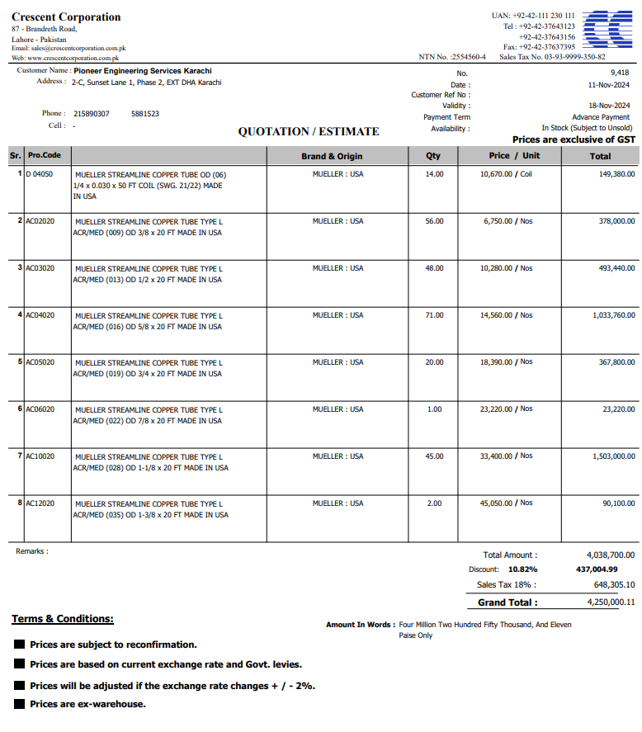


M/S Crescent corporation |  |  |  |  | 29-Nov-24

PO # 13478

Att: Mr. Atif Munawwar

PURCHASE ORDER

Supply of Mueller Brand Copper pipe for the project NICVD
S No. | D e s c r i p t i o n | Qty | Unit | Rate | Amount
 | Brand: Mueller USA |  |  |  |  | 575,000
1 | Supply of Copper tube size 1/4" Dia | 14 | Coil | 10,670 | 149,380
2 | Supply of Copper L-Type Mueller USA 3/8" Dia | 56 | Len | 6,750 | 378,000
3 | Supply of Copper L-Type Mueller USA 1/2" Dia | 48 | Len | 10,280 | 493,440
4 | Supply of Copper L-Type Mueller USA 5/8" Dia | 71 | Len | 14,560 | 1,033,760
5 | Supply of Copper L-Type Mueller USA 3/4" Dia | 20 | Len | 18,390 | 367,800
6 | Supply of Copper L-Type Mueller USA 7/8" Dia | 1 | Len | 23,220 | 23,220
7 | Supply of Copper L-Type Mueller USA 1-1/8" Dia | 45 | Len | 33,400 | 1,503,000
8 | Supply of Copper L-Type Mueller USA 1-3/8" Dia | 2 | Len | 45,050 | 90,100
 |  | TOTAL: |  |  | 4,038,700
Discount 10.82% |  |  |  |  | 437,005
Total amount |  |  |  |  | 3,601,695
Sales Tax 18% |  |  |  |  | 648,305
Total amount |  |  |  |  | 4,250,000

Note: This PO is subject to the consultant's approval.

for IK Associates

Sheet2
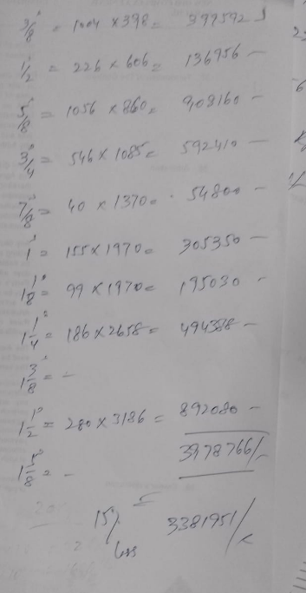
CRESCENT

Supply of Copper L-Type Mueller USA 3/8" Dia | 1004 | Rft | 243 | 243,638 | 4570 | 228.5 | 269.63 | 242.667 | 26.963
Supply of Copper L-Type Mueller USA 1/2" Dia | 226 | Rft | 383 | 86,524 | 7210 | 360.5 | 425.39 | 382.851
Supply of Copper L-Type Mueller USA 5/8" Dia | 1056 | Rft | 553 | 584,287 | 10420 | 521 | 614.78 | 553.302
Supply of Copper L-Type Mueller USA 3/4" Dia | 546 | Rft | 703 | 383,572 | 13230 | 661.5 | 780.57 | 702.513
Supply of Copper L-Type Mueller USA 7/8" Dia | 40 | Rft | 864 | 34,557 | 16270 | 813.5 | 959.93 | 863.937
Supply of Copper L-Type Mueller USA 1" Dia | 155 | Rft | 931 | 144,243 | 20680 | 1034 | 930.6
Supply of Copper L-Type Mueller USA 1-1/8" Dia | 99 | Rft | 1,230 | 121,750 | 23160 | 1158 | 1366.44 | 1229.796
Supply of Copper L-Type Mueller USA 1-1/4" Dia | 186 | Rft | 1,281 | 238,266 | 28460 | 1423 | 1280.7
Supply of Copper L-Type Mueller USA 1-3/8" Dia | 0 | Rft | 1,668 | 0 | 31420 | 1571 | 1853.78 | 1668.402
Supply of Copper L-Type Mueller USA 1-1/2" Dia | 280 | Rft | 1,742 | 487,760 | 38700 | 1935 | 1741.5
Supply of Copper L-Type Mueller USA 1-5/8" Dia | 0 | Rft | 1,963 | 0 | 43630 | 2181.5 | 1963.35
 |  |  |  | 2,324,597

CRESCENT

Supply of Copper L-Type Mueller USA 3/8" Dia | 1004 | Rft | 243 | 243,638
Supply of Copper L-Type Mueller USA 1/2" Dia | 226 | Rft | 383 | 86,524
Supply of Copper L-Type Mueller USA 5/8" Dia | 1056 | Rft | 553 | 584,287
Supply of Copper L-Type Mueller USA 3/4" Dia | 546 | Rft | 703 | 383,572
Supply of Copper L-Type Mueller USA 7/8" Dia | 40 | Rft | 864 | 34,557
Supply of Copper L-Type Mueller USA 1" Dia | 155 | Rft | 931 | 144,243
Supply of Copper L-Type Mueller USA 1-1/8" Dia | 99 | Rft | 1,230 | 121,750
Supply of Copper L-Type Mueller USA 1-1/4" Dia | 186 | Rft | 1,281 | 238,266
Supply of Copper L-Type Mueller USA 1-3/8" Dia | 0 | Rft | 1,668 | 0
Supply of Copper L-Type Mueller USA 1-1/2" Dia | 280 | Rft | 1,742 | 487,760
Supply of Copper L-Type Mueller USA 1-5/8" Dia | 0 | Rft | 1,963 | 0
 |  |  |  | 2,324,597

